01. ADF1 EEM Assessment
ADF1 Annex C Simplified Method EEM Assessment |  |  |  |  |  |  | - Rev 06 |  |  | Key: Please complete cells - |  | Notes for Template Use
Copyright © CoreLogic 2025 |  |  |  |  |  |  |  |  |  |  |  | 1. | Step 1. Please complete Step 1 and 2 for all measures
Address |  | Address |  |  |  |  | Notes: The simplified method set out in ADF1 paragraphs in 3.8 to 3.13 is designed to apply to an existing dwelling that is assumed to have adequate means of ventilation through a combination of purposeprovided ventilation and infiltration. |  |  |  |  | 2. | Step 2. Only to be completed for Airtightness measures
 |  |  |  |  |  |  |  |  |  |  |  | 3. | Please follow Actions Required in "Results from Diagram 3.1 and Actions Required"
Post Code |  | Post Code |  |  |  |  | When carrying out energy efficiency measures on an existing dwelling, Table 3.1 (below) should be used to calculate the number of major and minor energy efficiency measures involved. This calculation should include all of the following: a. Energy efficiency measures fitted since the original dwelling was constructed b. Energy efficiency measures planned Note: Where specific energy efficiency measures are not included in Step 2 - Table 3.1, the most similar category should be chosen instead. |  |  |  |  | 4. | Proceed and complete tabs 02, 03 and 04 and save as separate pdf documents:
Retrofit Assessor |  | RA Name |  |  |  |  |  |  |  |  |  |  | Tab 01. Save as - "ADF1 Table 3.1 EEM Simplified Assessment [Address]"
Retrofit Coordinator |  | RC Name |  |  |  |  |  |  |  |  |  |  | Tab 02. Save as - "Ventilation Assessment Calculations [Address]"
Retrofit Designer |  | RD Name |  |  |  |  |  |  |  |  |  |  | Tab 03. Save as - "Ventilation Strategy [Address]"
 |  |  |  |  |  |  |  |  |  |  |  |  | Tab 04. Save as - "Air Tightness Strategy [Address]"
Step 1 - Retrofit Assessment Record of Mould and/or Dampness - Assess Impact on Ventilation Requirements

Regardless of the proposed EEM(s) being installed, is there evidence of condensation and/or mould growth in the dwelling recorded in the Retrofit Assessment?
Action: |  | Please select either Yes or No on the above yellow dropdown!

Step 2 - Table 3.1 Energy efficiency measures - Enter Applicable Airtightness Measures Only
Ref | Measure (Select) (Please include all planned measures and measures installed since the dwelling was constructed) |  |  |  |  | Category of Measure | Full Description
Measure 1
Measure 2
Measure 3
Measure 4
Measure 5
Measure 6
Measure 7
Measure 8
Measure 9
Measure 10

 |  |  |  |  | Totals | 0 Major
 |  |  |  |  |  | 0 Minor | Category A

Diagram 3.1 | Chart for categorising impact on ventilation when carrying out works in existing dwellings |  |  |  |  |  |  |  | Results from Diagram 3.1 and Actions Required
Category |  | Number of minor measures |  |  |  |  |  |  | The Retrofit work is categorised as - |  | Category A
 |  | 0 | 1 | 2 | 3 | 4 | 5 | 6 | Category A - it is likely that the energy efficiency measures have not reduced the ventilation provision of the dwelling below the requirements of ADF1 so no further ventilation provision is necessary. Ventilation assessment or upgrades are not required for this project.
Category A
Number of major issues | 0 | A | A | A | B | B | B | B
Category B
 | 1 | B | B | B | B | B | B | C
 | 2 | B | B | B | B | C | C | C
Category C
 | 3 | B | C | C | C | C | C | C
 | 4 | C | C | C | C | C | C | C
Ref: ADF1 - Building Regulations 2010 Ventilation, Approved Document F, Volume 1: Dwellings, 2021 Edition

Ref - Assessment Process
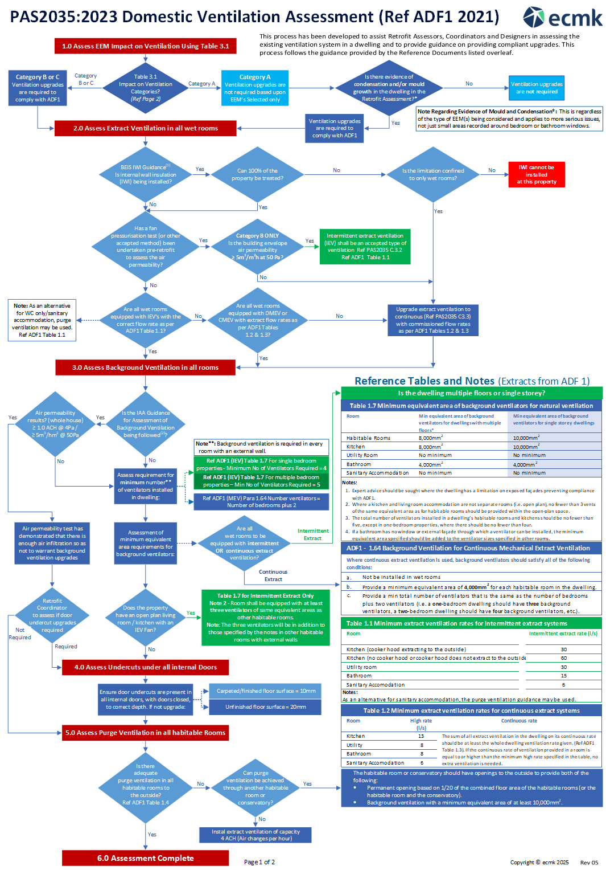

Copyright © ecmk 2022

