01. ADF1 EEM Assessment
ADF1 Table D1 Checklist for Ventilation Provision in Existing Dwellings
Copyright © ecmk 2025
Address |  | Address | Key: Please complete cells - Please see the following pages for copies of ADF1 tables referenced below.
Post Code |  | Post Code
Retrofit Assessor |  | RA Name
Retrofit Coordinator |  | RC Name
Retrofit Designer |  | RD Name

01. Natural Ventilation (Intermittent Extract Ventilation IEV) (1)

• | What is the total equivalent area of background ventilators currently in dwelling? (mm²)
• | Does each habitable room satisfy the minimum equivalent area standards in Table 1.7(2)?
• | Have all background ventilators been left in the open position?
• | Are fans and background ventilators in the same room at least 0.5m apart?
• | Are there working intermittent extract fans in all wet rooms?
• | Is there the correct number of intermittent extract fans to satisfy the standards in Table 1.1?
• | Does the location of fans satisfy the standards in paragraph 1.2?
• | Do all automatic controls have a manual override?
• | Does each room have a system for purge ventilation (e.g. windows)?
• | Do the openings in the rooms satisfy the minimum opening area standards in Table 1.4?
• | Do all internal doors have sufficient undercut to allow air transfer between rooms as detailed in paragraph 1.25 (i.e. 10mm above the floor finish or 20mm above the floor surface)?

02. Continous Mechanical Extract Ventilation (MEV) (1)
• | Does the system have a central extract fan, individual room extract fans, or both?
• | Does the total combined continuous rate of mechanical extract ventilation satisfy the standards in Table 1.3?

• | Does each minimum mechanical extract ventilation high rate satisfy the standards in Table 1.2?
• | Is it certain that there are no background ventilators in wet rooms?
• | Do all habitable rooms have background ventilators with a minimum equivalent area of at least 4,000mm2?
• | Does each room have a system for purge ventilation (e.g. windows)?
• | Do the openings in the rooms satisfy the minimum opening area standards in Table 1.4?
• | Do all internal doors have sufficient undercut to allow air transfer between rooms as detailed in paragraph 1.25 (i.e. 10mm above the floor finish or 20mm above the floor surface)?

03. Mechanical ventilation with heat recovery (MVHR) (1)
• | Does each habitable room have mechanical supply ventilation?
• | Does the total continuous rate of mechanical ventilation with heat recovery satisfy the standards in Table 1.3?

• | Does each minimum mechanical extract ventilation high rate satisfy the standards in Table 1.2?
• | Have all background ventilators been removed or sealed shut?
• | Does each room have a system for purge ventilation (e.g. windows)?
• | Do the openings in the rooms satisfy the minimum opening area standards in Table 1.4?
• | Do all internal doors have sufficient undercut to allow air transfer between rooms as detailed in paragraph 1.25 (i.e. 10mm above the floor finish or 20mm above the floor surface)?

Notes
1. | Make a visual check for mould or condensation. If either are present, install additional ventilation provisions or seek specialist advice.
2. | All references to tables and paragraphs are to Approved Document F, Volume 1: Dwellings.

 | Approved Document F Volume 1, 2021 edition (ADF1)

 | Check List Actions
 | Please complete the check list, 26 question(s) require(s) completion.

Appro
Reference Tables from Approved Document F Ventilation Volume: 1 Dwellings - 2021
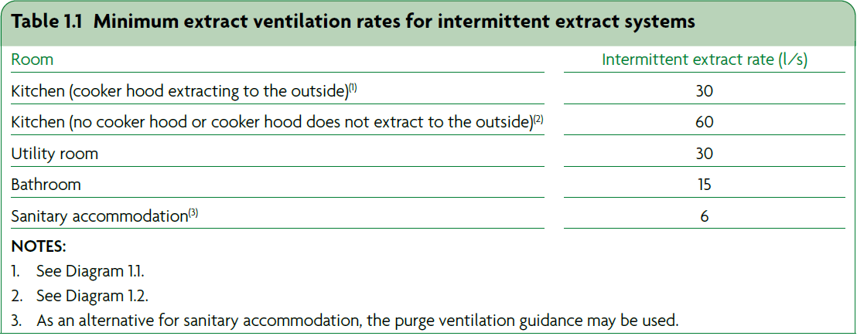

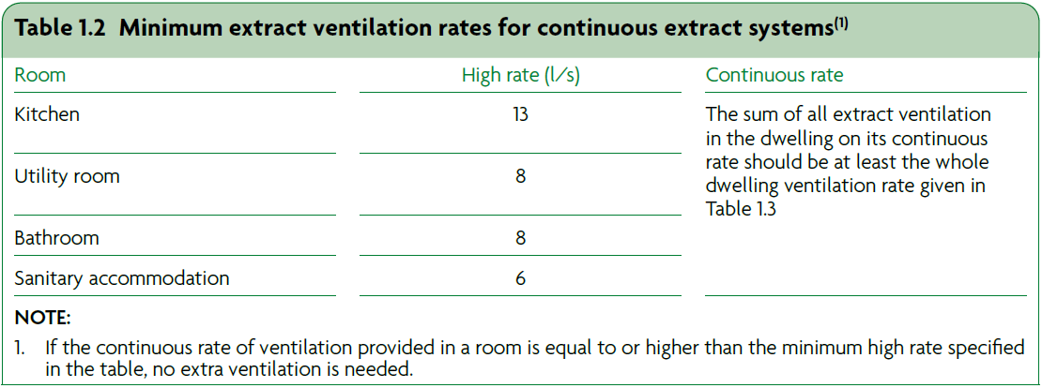

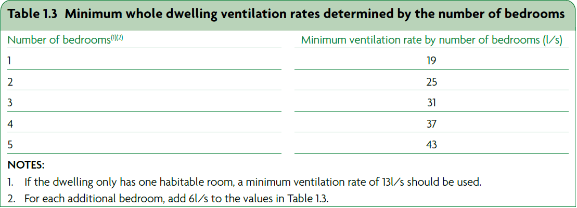
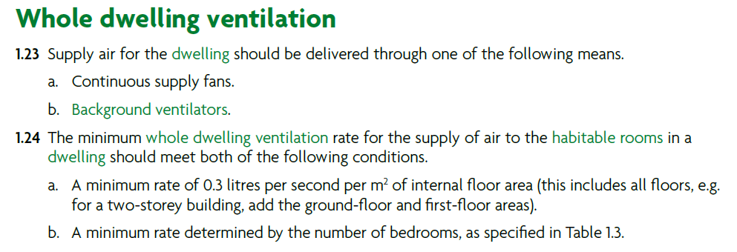

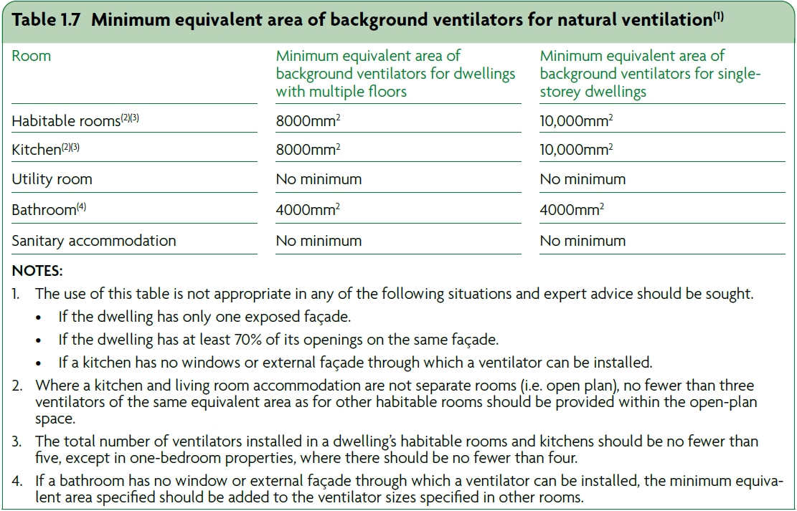

Ref - Assessment Process
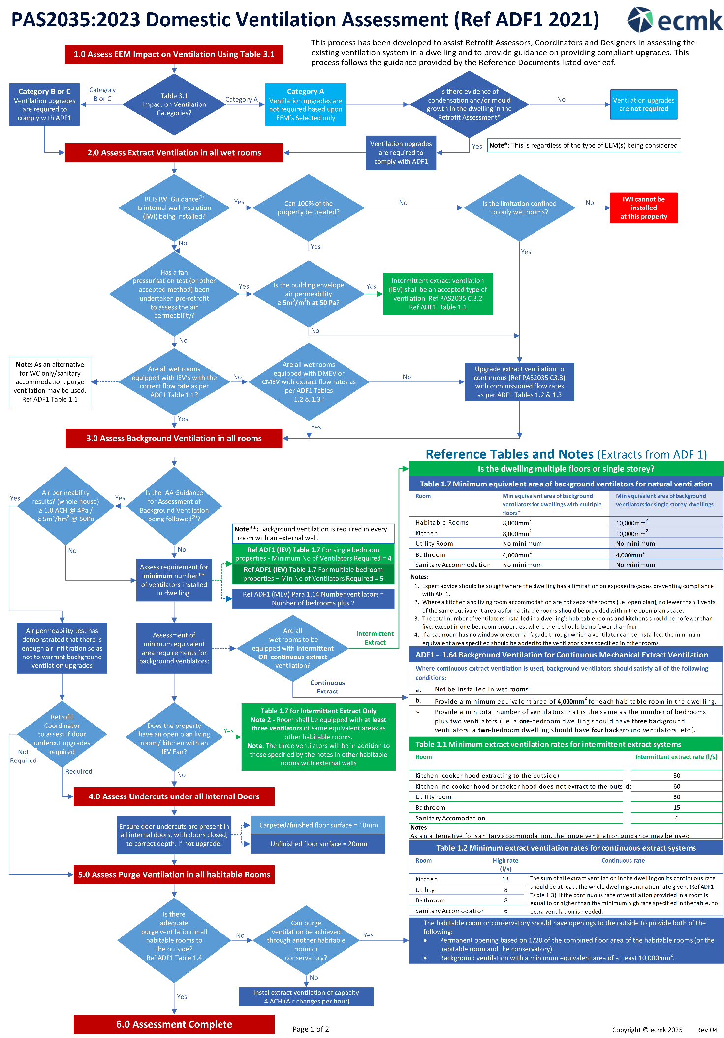

Copyright © ecmk 2022

